WP8 - True-Up Interest Rate
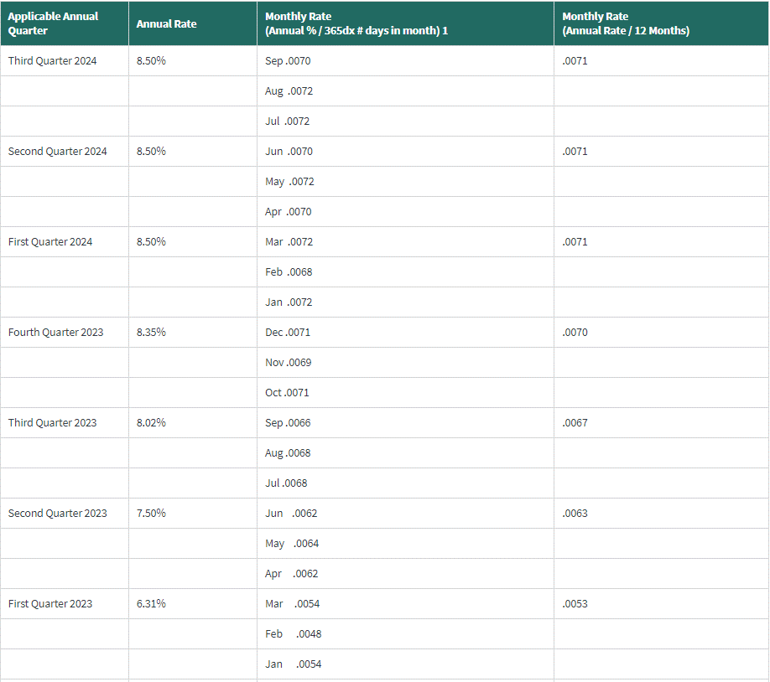
Republic Transmission, LLC |  |  | Page 1 of 1
2025 Projection
WP7 - True-Up Interest Rate

 | FERC Interest Rates for Jan 2023 - Aug 2024
 | Under/(Over) Recovery of Revenue Requirement
 | Month | Monthly Rate
 | Jan-23 | 0.5300%
 | Feb-23 | 0.5300%
 | Mar-23 | 0.5300%
 | Apr-23 | 0.6300%
 | May-23 | 0.6300%
 | Jun-23 | 0.6300%
 | Jul-23 | 0.6700%
 | Aug-23 | 0.6700%
 | Sep-23 | 0.6700%
 | Oct-23 | 0.7000%
 | Nov-23 | 0.7000%
 | Dec-23 | 0.7000%
 | Jan-24 | 0.7100%
 | Feb-24 | 0.7100%
 | Mar-24 | 0.7100%
 | Apr-24 | 0.7100%
 | May-24 | 0.7100%
 | Jun-24 | 0.7100%
 | Jul-24 | 0.7100%
 | Aug-24 | 0.7100%

 | Average Monthly Rate | 0.6635%
 | Annual Rate | 7.9620%

 | 1/Interest on Under/(Over) recovery will be based on FERC's regulation at 18 C.F.R 35.19a
 | 2/The average interest rate to be applied to the Under/(Over) recovery amounts will be determined using the average rate for the twenty (20) months preceding September of the current year.

