Att 5 - True-Up
Attachment 5 - Example of True-Up Calculation
LS Power Grid New York Corporation I

 |  |  |  |  |  |  |  | https://ferc.gov/interest-calculation-rates-and-methodology
 |  |  |  |  |  |  |  | Retrieved June 25, 2025
 | Year |  |  |  | Annual True-Up Calculation
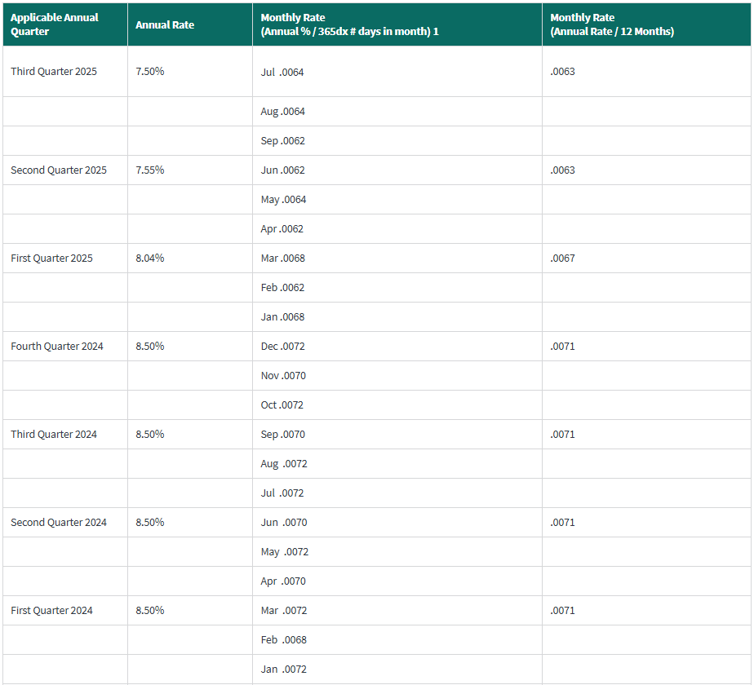
1
 | A | B | C | D | E | F | G
 |  |  | Actual |  | Net
 |  |  | Adjusted |  | Under/(Over) | Interest | Total True-Up
 | Project |  | Net Revenue |  | Collection | Income | Adjustment
 | Identification | Project Name | Requirement1 | Revenue Received2 | (C-D) | (Expense) | (E + F)
2 |  | Marcy New Scotland 345 kV Upgrade Project (Segment A) | 74,419,337 | 77,586,037 | (3,166,700) | (517,891) | (3,684,591)
2a |  |  | - | - | - | - | -
2b |  |  | - | - | - | - | -
2c |  |  | - | - | - | - | -
2d |  |  | - | - | - | - | -
 |  |  | - | - | - | - | -

3 | Total |  | 74,419,337 | 77,586,037 | (3,166,700) | (517,891) | (3,684,591)

 | Notes
 | 1. From Attachment 4, Column (q) for the period being trued-up
 | 2. The "revenue received" is the total amount of revenue distributed in the True-Up Year. The amounts do not include any true-ups or prior period
 | adjustments and reflects any Competitive Bid Concessions
 | 3. Then Monthly Interest Rate shall be equal to the interest rate set forth below on line 13 and be applied to the amount in Column E for a period of 24 months
 | 4. The True-Up Adjustment is applied to each project prorata based its contribution to the Revenue Requirement shown in Attachment 4

 | FERC Refund Interest Rate

 | (a) | (b) | (c) | (d)
4 | Interest Rate: | Quarter | Year | Quarterly Interest Rate under Section 35.19(a)
5 |  | 1st Qtr. | 2024 | 0.71%
6 |  | 2nd Qtr | 2024 | 0.71%
7 |  | 3rd Qtr | 2024 | 0.71%
8 |  | 4th Qtr | 2024 | 0.71%
9 |  | 1st Qtr | 2025 | 0.67%
10 |  | 2nd Qtr | 2025 | 0.63%
11 |  | 3rd Qtr | 2025 | 0.63%
12 |  | Sum lines 5-11 |  | 4.77%

13 | Avg. Monthly FERC Rate | Line 12 divided by 7 |  | 0.68%

