WP8 - True-Up Interest Rate
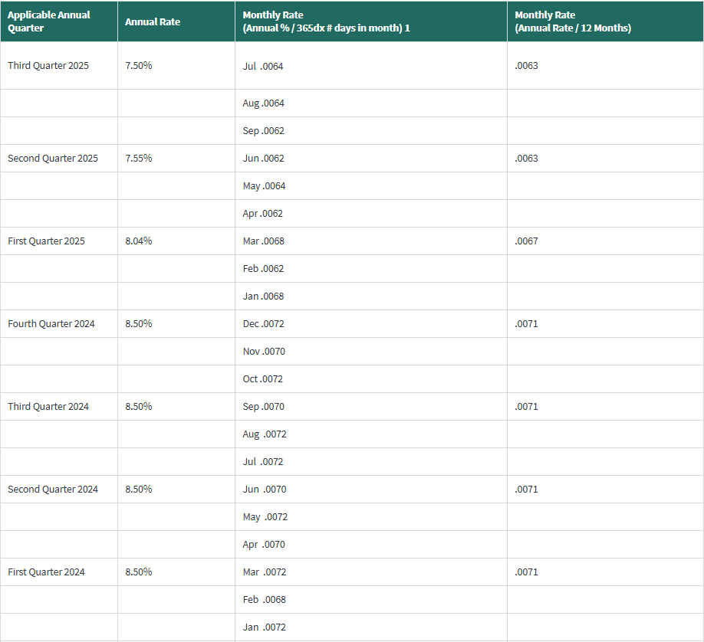
Republic Transmission, LLC |  |  | Page 1 of 1
2026 Projection
WP7 - True-Up Interest Rate

 | FERC Interest Rates for Jan 2024 - Aug 2025
 | Under/(Over) Recovery of Revenue Requirement
 | Month | Monthly Rate
 | Jan-24 | 0.7100%
 | Feb-24 | 0.7100%
 | Mar-24 | 0.7100%
 | Apr-24 | 0.7100%
 | May-24 | 0.7100%
 | Jun-24 | 0.7100%
 | Jul-24 | 0.7100%
 | Aug-24 | 0.7100%
 | Sep-24 | 0.7100%
 | Oct-24 | 0.7100%
 | Nov-24 | 0.7100%
 | Dec-24 | 0.7100%
 | Jan-25 | 0.6700%
 | Feb-25 | 0.6700%
 | Mar-25 | 0.6700%
 | Apr-25 | 0.6300%
 | May-25 | 0.6300%
 | Jun-25 | 0.6300%
 | Jul-25 | 0.6300%
 | Aug-25 | 0.6300%

 | Average Monthly Rate | 0.6840%
 | Annual Rate | 8.2080%

 | 1/Interest on Under/(Over) recovery will be based on FERC's regulation at 18 C.F.R 35.19a
 | 2/The average interest rate to be applied to the Under/(Over) recovery amounts will be determined using the average rate for the twenty (20) months preceding September of the current year.

