Att 6a - Interest Rate Calc
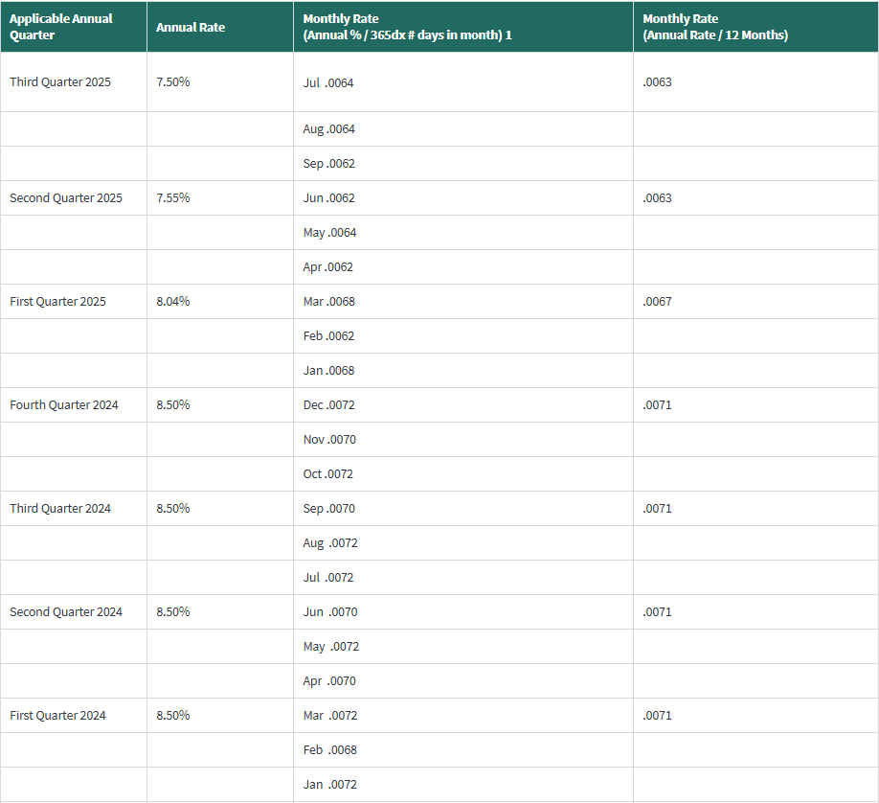
 |  |  |  | Page 1 of 1
 |  |  |  | For the twelve months ended 12/31/2026
Attachment 6a
True-Up Interest Rate Calculator
Silver Run Electric, LLC

This Attachment is used to compute the interest rate to be applied to each year's revenue requirement true-up.

 | Applicable FERC Interest Rate (Note A):
1 |  | 2024 January | 8.50%
2 |  | 2024 February | 8.50%
3 |  | 2024 March | 8.50%
4 |  | 2024 April | 8.50%
5 |  | 2024 May | 8.50%
6 |  | 2024 June | 8.50%
7 |  | 2024 July | 8.50%
8 |  | 2024 August | 8.50%
9 |  | 2024 September | 8.50%
10 |  | 2024 October | 8.50%
11 |  | 2024 November | 8.50%
12 |  | 2024 December | 8.50%
13 |  | 2025 January | 8.04%
14 |  | 2025 February | 8.04%
15 |  | 2025 March | 8.04%
16 |  | 2025 April | 7.55%
17 |  | 2025 May | 7.55%

18 | Average Rate |  | 8.31%
19 | Monthly Average Rate |  | 0.69%

Note A - Lines 1-17 are the FERC interest rates under section 35.19a of the regulations for the period shown. Line 18 is the average of lines 1-17.

